Composite
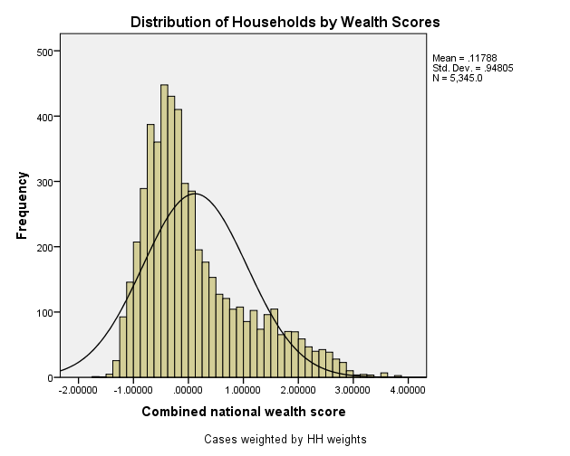
Combined Scores

 | Urban Area

 |  | Coefficientsa
 |  | Model |  | Unstandardized Coefficients |  | Standardized Coefficients | t | Sig.
 |  |  |  | B | Std. Error | Beta
 |  | 1 | (Constant) | 1.201 | 0.009 |  | 134.802 | 0.000
 |  |  | urbscore Urban wealth score | 1.063 | 0.009 | 0.963 | 119.209 | 0.000
 |  | a. Dependent Variable: comscore Common wealth score

 |  |  | Combined Score= 1.201 + 1.063* Urban Score

 | Rural

 |  | Coefficientsa
 |  | Model |  | Unstandardized Coefficients |  | Standardized Coefficients | t | Sig.
 |  |  |  | B | Std. Error | Beta
 |  | 1 | (Constant) | -0.317 | 0.002 |  | -136.631 | 0.000
 |  |  | rurscore Rural wealth score | 0.663 | 0.002 | 0.975 | 285.853 | 0.000
 |  | a. Dependent Variable: comscore Common wealth score

 |  |  | Combined Score= -.317 + .663 * Rural Score

 | Combined Score

 |  | Statistics
 |  | combscor Combined national wealth score
 |  | N | Valid | 5345
 |  |  | Missing | 0
 |  | Mean |  | 0.1178757
 |  | Std. Error of Mean |  | 0.01296755
 |  | Median |  | -0.1682539
 |  | Mode |  | .04128a
 |  | Std. Deviation |  | 0.94805150
 |  | Skewness |  | 1.056
 |  | Std. Error of Skewness |  | 0.033
 |  | Kurtosis |  | 0.515
 |  | Std. Error of Kurtosis |  | 0.067
 |  | Minimum |  | -1.74167
 |  | Maximum |  | 3.76858
 |  | Percentiles | 20 | -0.6499643
 |  |  | 40 | -0.3280665
 |  |  | 60 | 0.0396034
 |  |  | 80 | 0.9058601
 |  | a. Multiple modes exist. The smallest value is shown

 | histrogram

